Bug Report 6
Reporter: | Laura Flores | Assignee: |  | Status: | Open
Type: | Functional | Severity: |  | Priority:
Browser: | Chrome | OS: | Microsoft | OS version | 10
Summary: | Product price of a "100% Irish Linen Tea Towels" is different on product listing page and on product detail page
Description:

Pre-conditions:
1 | https://qatest-dev.indvp.com/ is opened
2
Steps to reproduce:
1 | Click on "All Kitchen & Dining" on the menu | 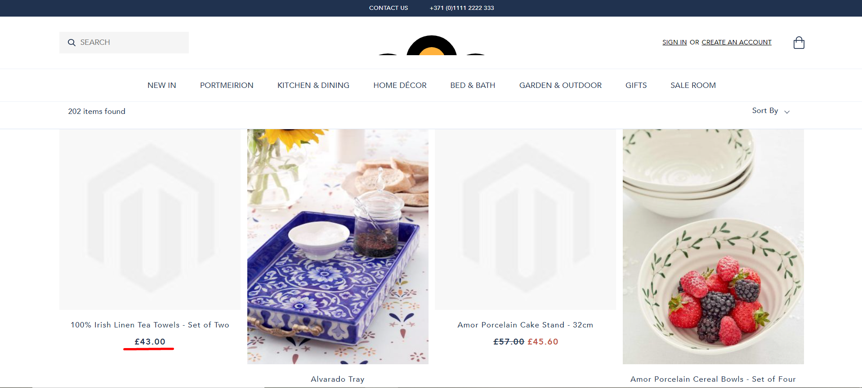
2 | Click on product "100% Irish Linen Tea Towels - Set of Two" - £43.00 | 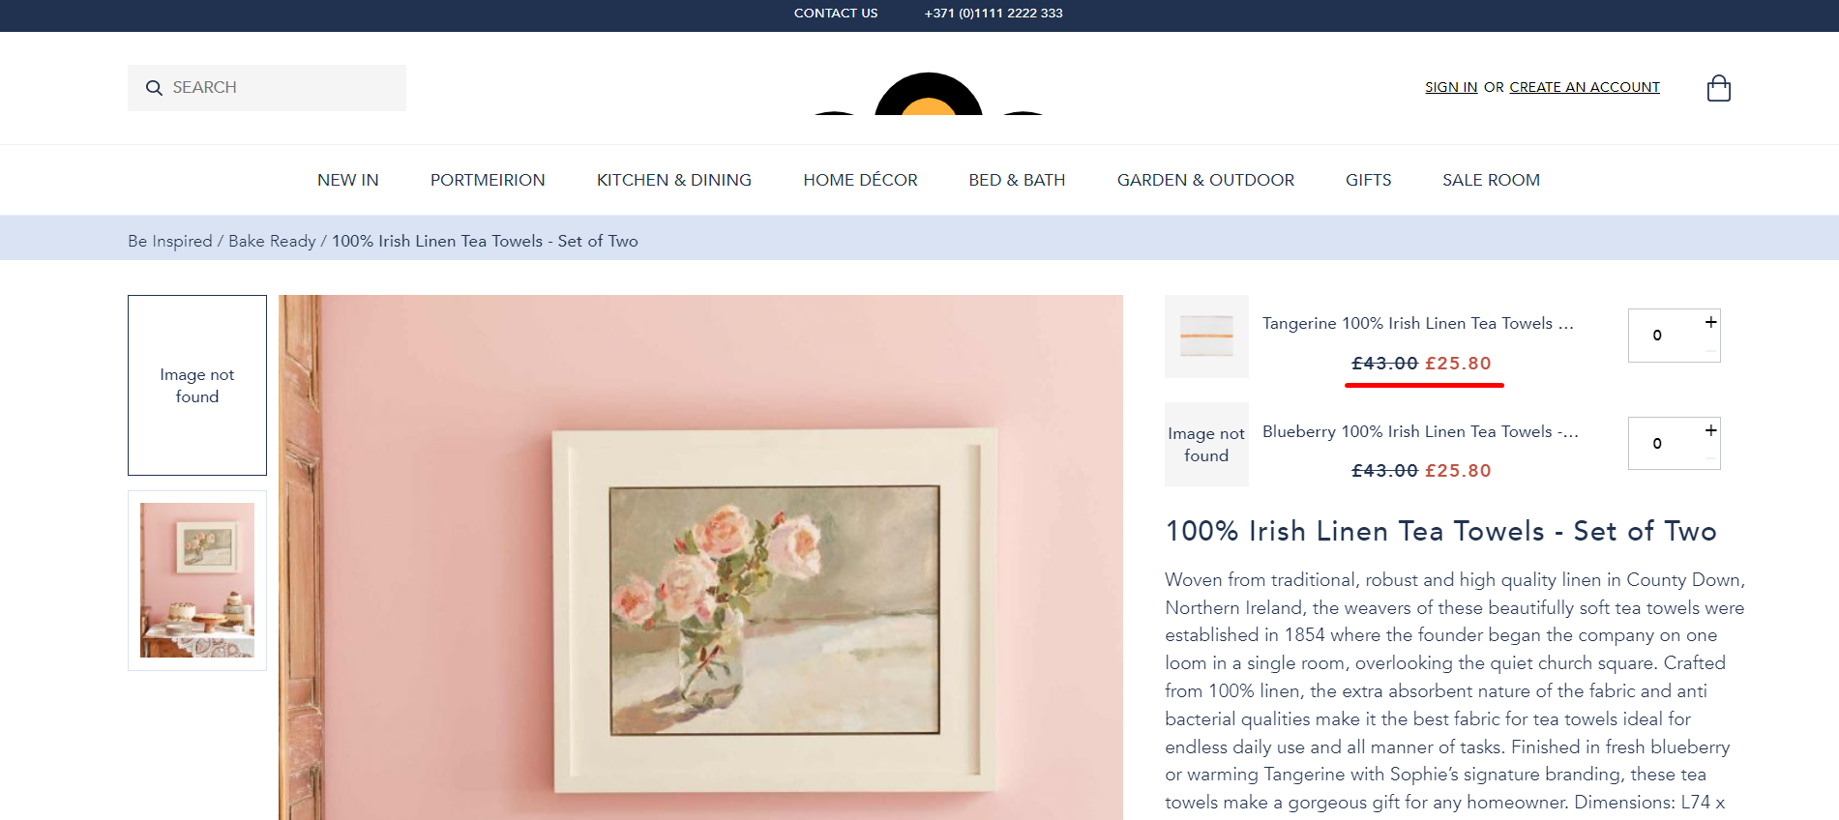
3
4
Actual result:
Product price is different on product listing page and on product detail page

Expected result:
Product price must have £25.80 on product listing page and on product detail page

Attachments:
Additional info:

